Manual
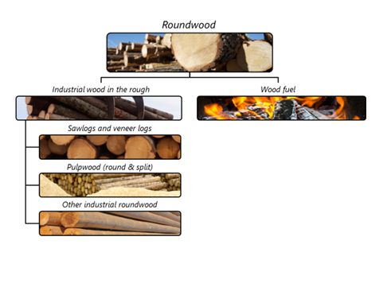

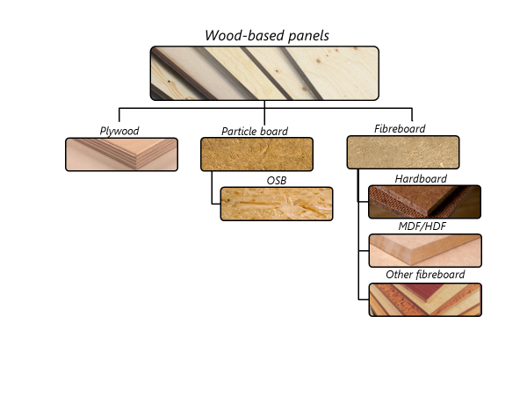

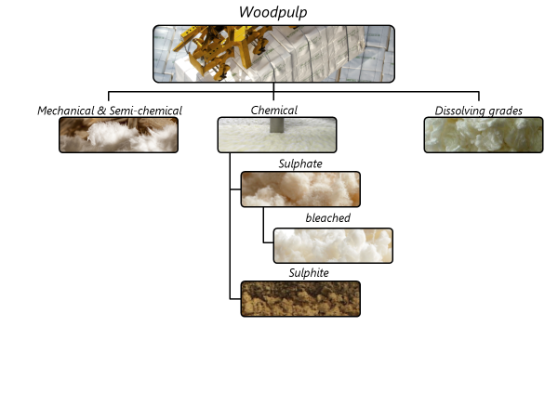

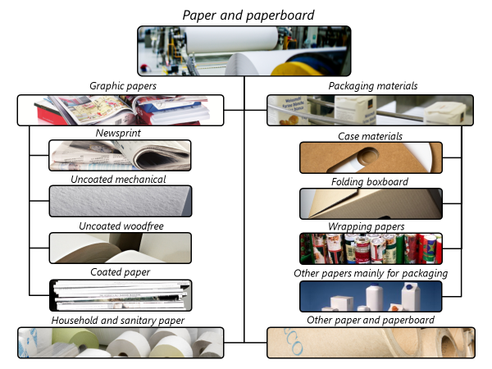

Changes from JQ2017 to JQ2018
Below is a complete list of all changes to JQ2018.
Definitions
Revised definition of production to be more specific about inclusion of intermediate production of pulp and other products.
Added specific use of pulpwood in panels in title to make it more clear (item 1.2.2)
Excluded continuously produced wood chips (item 3.1)
Eontinuously produced wood chips (item 3.1)make it more clearf pulp and other products.se data where possible.xcluded bamboo from secondary processed products (items 13.3, 13.4, 13.7).
Excluded sanitary napkins from ready to use household and sanitary paper (item 14.3).
Questionnaires – there were no changes

